1. NumMembers
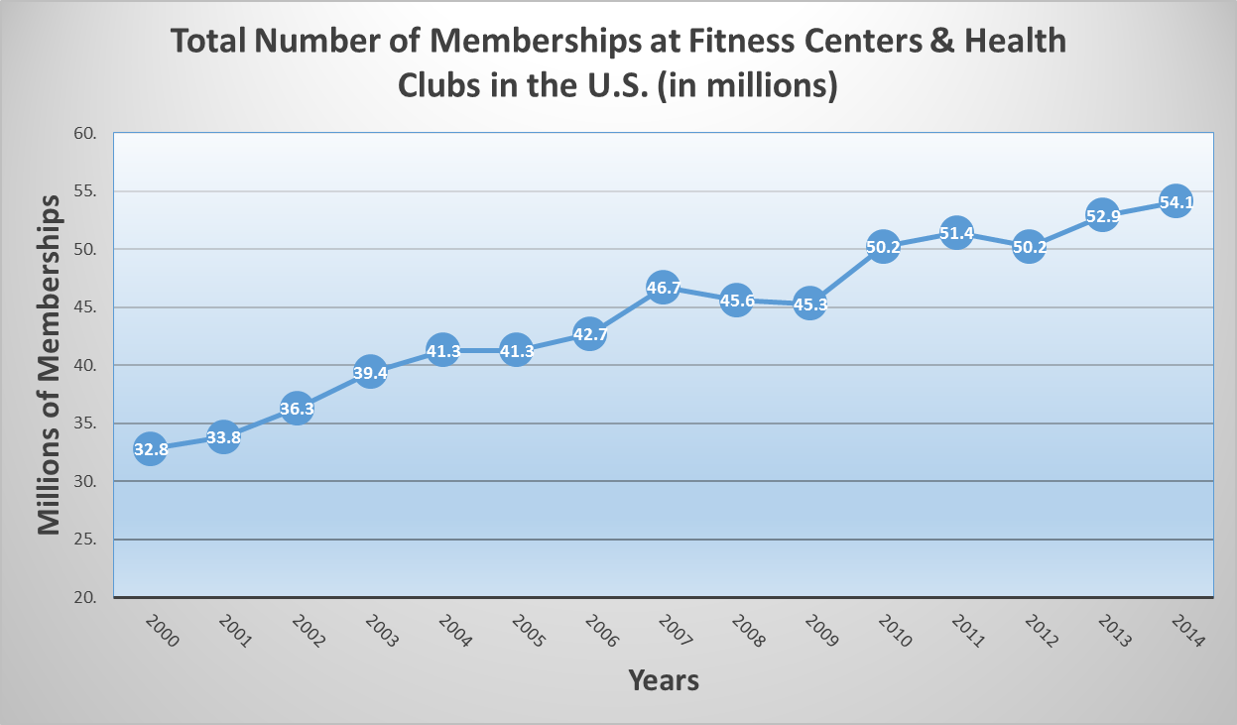
Total number of memberships at fitness centers / health clubs in the U.S. from 2000 to 2014 (in millions)
Total number of memberships at fitness centers / health clubs in the U.S. from 2000 to 2014 (in millions)
Year | Millions of Memberships
2000 | 32.8
2001 | 33.8
2002 | 36.3
2003 | 39.4
2004 | 41.3
2005 | 41.3
2006 | 42.7
2007 | 46.7
2008 | 45.6
2009 | 45.3
2010 | 50.2
2011 | 51.4
2012 | 50.2
2013 | 52.9
2014 | 54.1

2. Revenue
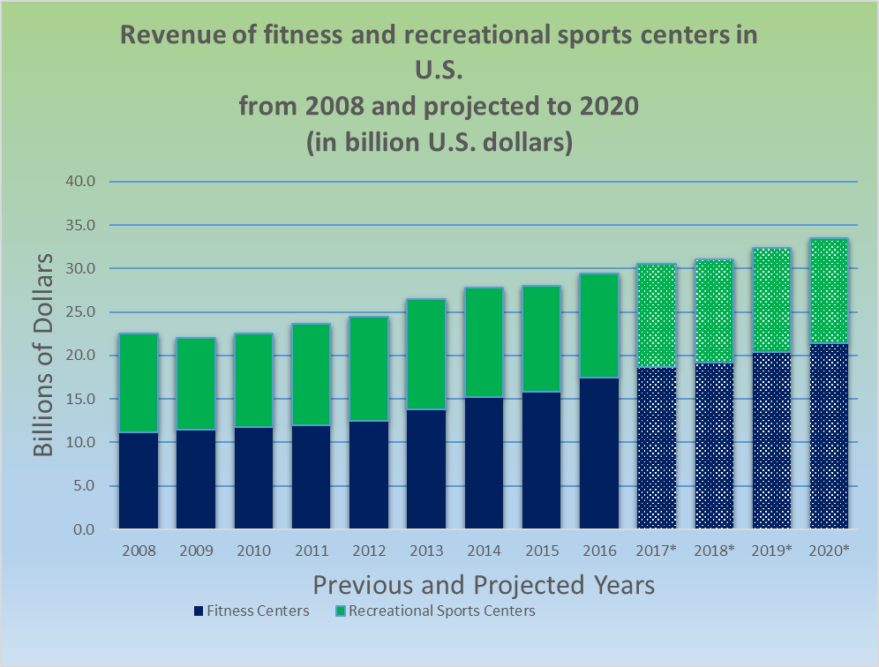
Revenue of fitness and recreational sports centers in U.S.from 2008 and projected to 2020 (in billions of dollars)
Revenue of fitness and recreational sports centers in U.S. from 2008 and projected to 2020 (in billions of dollars)
Year | Fitness Centers | Recreational Sports Centers | Total
2008 | $11.2 | $11.3 | $22.5
2009 | $11.5 | $10.5 | $22.0
2010 | $11.8 | $10.7 | $22.5
2011 | $12.0 | $11.6 | $23.6
2012 | $12.5 | $12.0 | $24.5
2013 | $13.8 | $12.7 | $26.5
2014 | $15.2 | $12.6 | $27.8
2015 | $15.8 | $12.2 | $28.0
2016 | $17.5 | $11.9 | $29.4
2017* | $18.7 | $11.8 | $30.5
2018* | $19.2 | $11.9 | $31.1
2019* | $20.4 | $12.0 | $32.4
2020* | $21.4 | $12.1 | $33.5

3. MarketShare
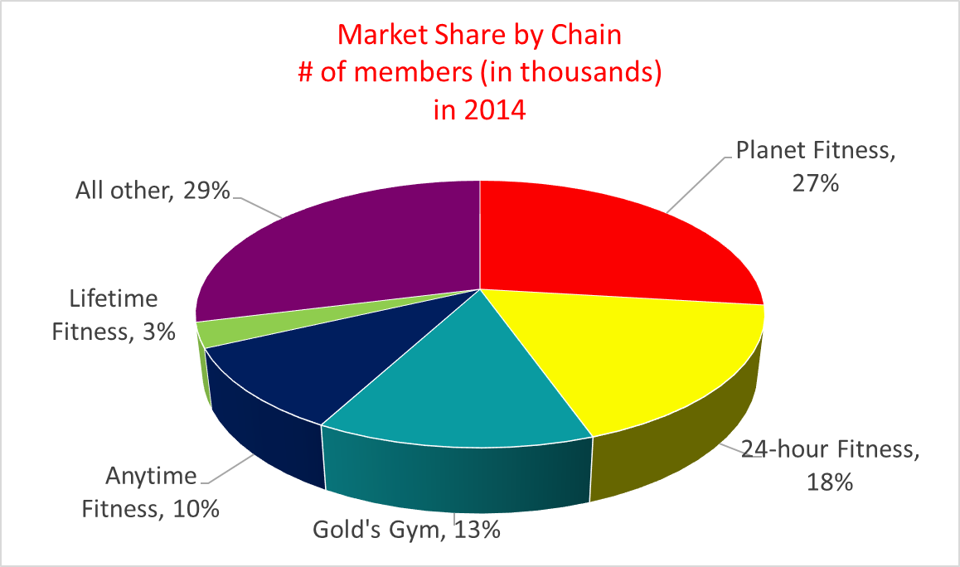
Market Share of Major Fitness Center Chains# of members (in thousands) in 2014
Market Share of Major Fitness Center Chains # of members (in thousands) in 2014
Major Chain | Number of Members
Planet Fitness | 6,085
24-hour Fitness | 4,000
Gold's Gym | 3,000
Anytime Fitness | 2,300
Lifetime Fitness | 684
All other | 6,542
TOTAL | 22,611

4. RevIncludingInd
Revenue for Entire Fitness Industry and 24-hour Fitness2010-2016
Revenue for Entire Fitness Industry and 24-hour Fitness 2010-2016
Year | 24-Hr Fitness (thousands) | Entire Fitness Center Industry (millions)
2010 | $980 | $22.5
2011 | $1,004 | $23.6
2012 | $1,126 | $24.5
2013 | $1,205 | $26.5
2014 | $1,290 | $27.8
2015 | $1,275 | $28.0
2016 | $1,057 | $30.1
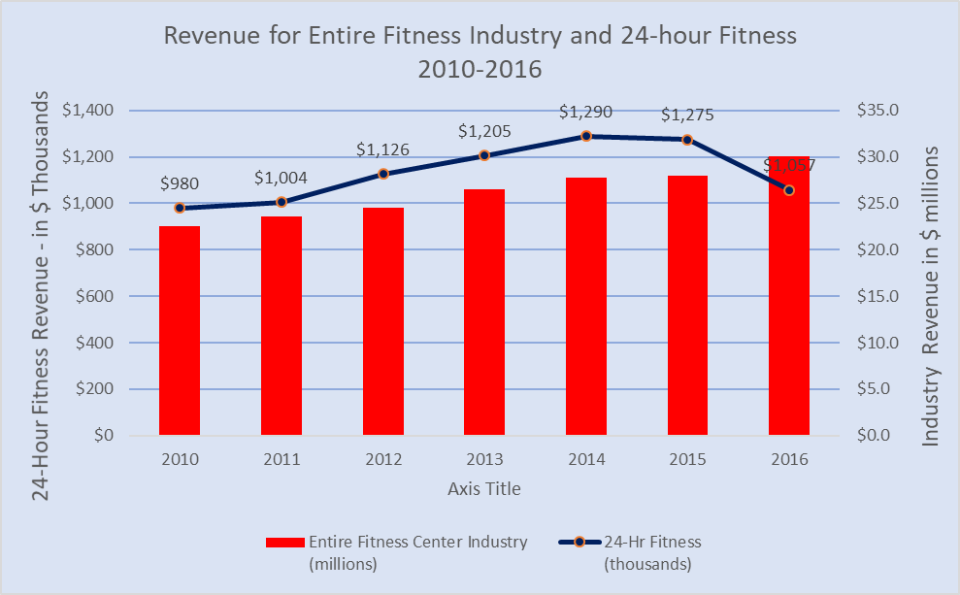

Years

Dashboard
Total number of memberships at fitness centers / health clubs in the U.S. from 2000 to 2014 (in millions)
2000 | 32.8
2001 | 33.8
2002 | 36.3
2003 | 39.4
2004 | 41.3
2005 | 41.3
2006 | 42.7
2007 | 46.7
2008 | 45.6
2009 | 45.3
2010 | 50.2
2011 | 51.4
2012 | 50.2
2013 | 52.9
2014 | 54.1
Market Share of Major Fitness Center Chains# of members (in thousands) in 2014
 | Number of Members
Planet Fitness | 6,085
24-hour Fitness | 4,000
Gold's Gym | 3,000
Anytime Fitness | 2,300
Lifetime Fitness | 684

Revenue of fitness and recreational sports centers in U.S.from 2008 and projected to 2020 (in billions of dollars)
 | Fitness Centers | Recreational Sports Centers
2008 | $11.2 | $11.3
2009 | $11.5 | $10.5
2010 | $11.8 | $10.7
2011 | $12.0 | $11.6
2012 | $12.5 | $12.0
2013 | $13.8 | $12.7
2014 | $15.2 | $12.6
2015 | $15.8 | $12.2
2016 | $17.5 | $11.9
2017* | $18.7 | $11.8
2018* | $19.2 | $11.9
2019* | $20.4 | $12.0
2020* | $21.4 | $12.1
Revenue for Entire Fitness Industry and 24-hour Fitness2010-2016
 | Entire Fitness Center Industry (millions) | 24-Hr Fitness (thousands)
 | $22.5 | $980
 | $23.6 | $1,004
 | $24.5 | $1,126
 | $26.5 | $1,205
 | $27.8 | $1,290
 | $28.0 | $1,275
 | $30.1 | $1,057

